Inquiry
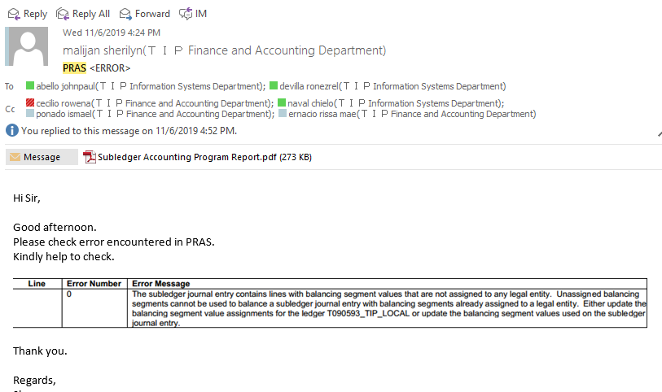

Checking
M20 Equipment, Tools and Jigs

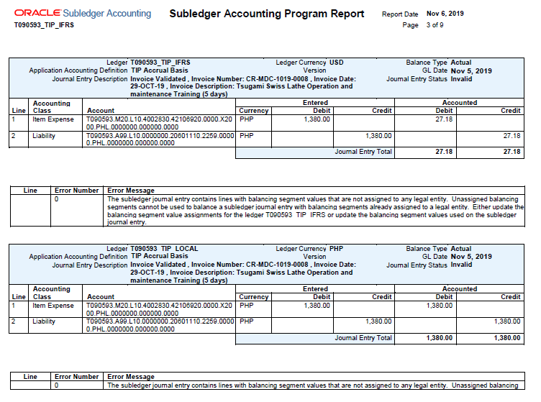

Initial Checking
No set up of New SBU M20 in Balancing Segment Values for Ledger: T090593_TIP_LOCAL

https://support.oracle.com/epmos/faces/DocumentDisplay?_afrLoop=247594647714440&parent=EXTERNAL_SEARCH&sourceId=PROBLEM&id=457200.1&_afrWindowMode=0&_adf.ctrl-state=1dmpi731jt_4

REFERENCE

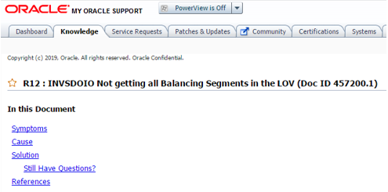

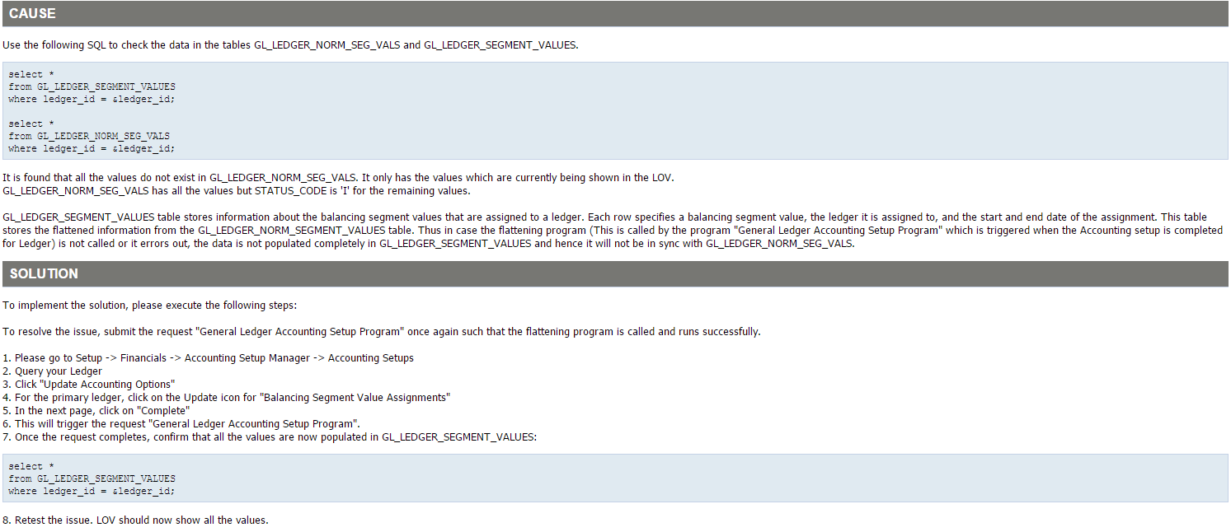

select *
from GL_LEDGER_SEGMENT_VALUES
where segment_value = 'M20'

NO DATA FOUND

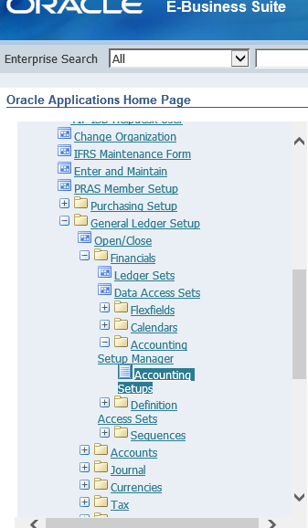

1st set up is incorrect

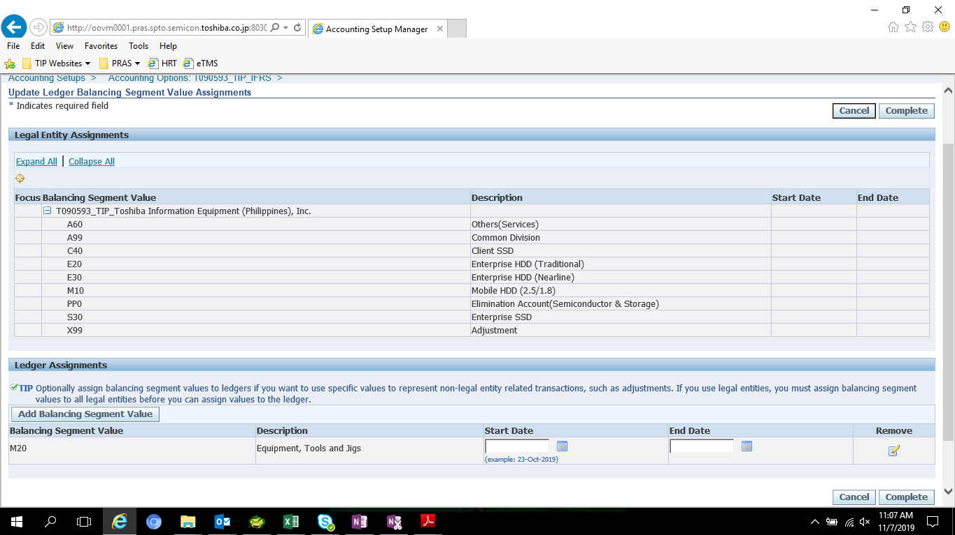

REMOVE M20

Recovery
